0. READ_FIRST
Release data Annual Report per 01/01/2015

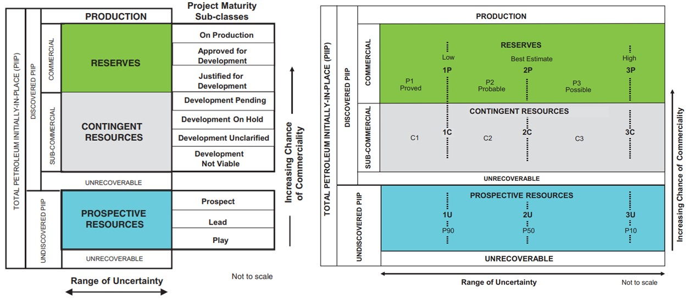
This document contains 5 spreadsheets (from left to right):

1) Release Annual Report per 01/01/2015: | This is the main spreadsheet and contains the data table of Article 113 (sections A to J).
 | Art. 113.1(B): licences per field are available in the main spreadsheet.
 | Art. 113.1(C): structural maps per individual reservoir are available via links in the main spreadsheet.

Data related to Article 113 sections F, H and I are displayed in four additional spreadsheets:
2) Art. 113.1 (F) Gas prognoses: Contains gas production prognoses made in 01/01/2015.
3) Art. 113.1 (F) Oil prognoses: Contains oil production prognoses made in 01/01/2015.
4) Art. 113.1 (H) Pressure data: Contains pressure measurements made between 01/01/2014 and 31/12/2014.
5) Art. 113.1 (I) Use_boreholes: Contains gas/oil produced per well between 01/01/2014 and 31/12/2014.

General comments
Data is presented on gas/oil field level
Gas & oil prognoses are provided in accordance with the Petroleum Resource Management System (PRMS), allowing for a uniform classification and aggregation of all resources (See figure on the right and see www.spe.org for further explanation).
Please note that the volumes in the project maturity sub-classes "Development On Hold" (RC5) and "Development Unclarified" (RC6) have a higher level of uncertainty regarding their development. Consequently, these volumes are not included in the gas production forecasts published in the annual reports "Natural Resources and Geothermal Energy in the Netherlands". For more details, please refer to the yearly report at www.nlog.nl/kennisbank?f%5B0%5D=theme%3A175.

