Explanation Mining Decree 113
Annual Report ( Mining Decree) | version 01-2026
Mining Decree article 113

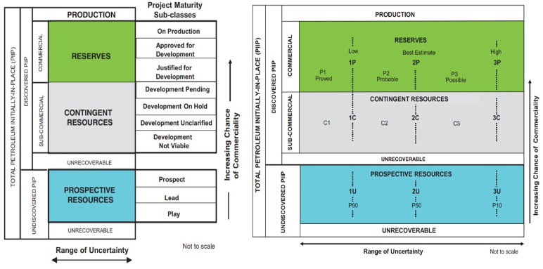
According to article 113 of the Mining Decree the operator shall draw up an annual report for all accumulations and prospective structures within his licence areas.

Please submit this report before 1 February. This change in deadline is applied since 2015 and is in anticipation of the amendment of the mining decree. We will appreciate your cooperation.

The official text from the Mining decree has been transcripted into a number of tables containing the prefered data set. This data set enables standard analysis for the resource assessment of hydrocarbons in the Netherlands according to the Petroleum Resource Classification (PRMS).

This template aims to facilitate a uniform and complete data supply by the licence holders

Addditionally the uniform data format tremendously contributes to the automated processing of the data and resource assessment by TNO. Using this template is therefore highly appreciated.

Explanation of the terms used in the worksheets can be found in the 'Definitions' worksheet and in the remarks above the tables of the other worksheets
Questions: If you have any further questions please contact: rapportage-mijnbouwwet@tno.nl (please quote as subject: annual report 113)

Please mail your annual report for tno to: rapportage-mijnbouwwet@tno.nl (please quote as subject: annual report 113)

link to the official text of article 113 of the Mining Decree |  | Petroleum Resource Classification (PRMS, source SPE.org).

Pressures (art.113.1.h)
Reservoir pressure
Mining Decree article 113.1.h
 |  |  |  |  |  |  | If available please enclose P/Z plot, with pressure data grouped per reservoir compartment
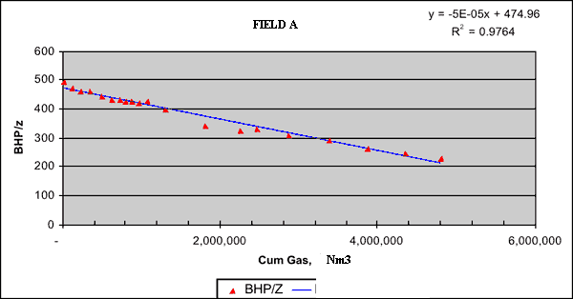
 | There is no obligation to measure the reservoir pressure for this annual report. However there is the obligation to report measured pressures.

 | Pressure measurements need to be accompanied by the attributes as mentioned in the table below

 | Please mention other wells producing from the same pressure unit (e.g. reservoir block) in the remarks column.

 | Well name | Date measurement | Pressure at ref. depth | Reference Depth | Type measurements | Pressure measured BHP or converted from WHP) | Shut in time before measurement | Corresponding Cumulative well production | Compressibility factor Z | Remarks
 |  | (dd/mm/yyy) | (bara) | (m TVDSS) | (for acronym, please provide definition) | (Pmeasured) or (P*converted) | (hours) | millions Nm3 (gas) or thousands Sm3 (oil) | (for gas reservoirs only) | Please give names of wells in the same compartment
1
2
3
4
5
6
7
8
9
10
11
12
13
14
15
16
17
18
19
20
21
22
23
24
25
26
27
28
29
30
31
32
33
34
35
36
37
38
39
40
41
42
43
44
45
46
47
48
49
50

etc.

Structural map (art 113.1.&2.c)
Structural map Accumulations & prospects
Mining Decree article 113.1&2.c

 | For every new accumulation or prospect a structural map should be submitted.

 | For previously reported fields and prospects maps are to be submitted only in case an updated version is available.

Description
map should contain:
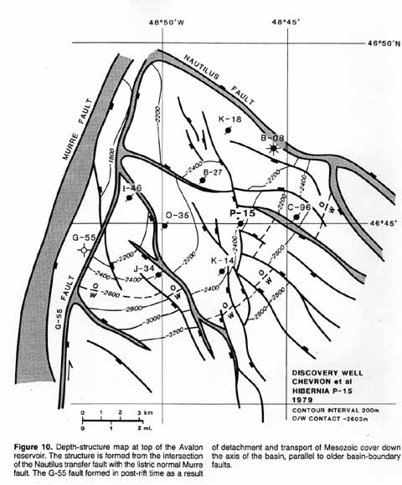
header: | name
 | date
 | operator
 | scale bar
 | coordinates/orientation
 | projection ( e.g. ED50, RD, ETRS, WSG84)
 | date (year)

general | depth contours
 | faults
 | GWC/OGC/OWC
 | wells

file type: | preferably GIS or Petrel file
 | or JPG, PGN, TIFF etc.
 | or geo-referenced file

 |  | Map example

