Pressures (art.113.1.h)
Reservoir pressure
Mining Decree article 113.1.h
 |  |  |  |  |  |  | If available please enclose P/Z plot, with pressure data grouped per reservoir compartment
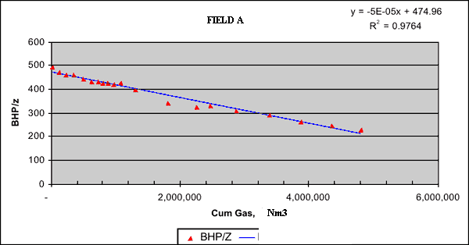
 | There is no obligation to measure the reservoir pressure for this annual report. However there is the obligation to report measured pressures.

 | Pressure measurements need to be accompanied by the attributes as mentioned in the table below

 | Please mention other wells producing from the same pressure unit (e.g. reservoir block) in the remarks column.

 | Well name | Date measurement | Pressure at ref. depth | Reference Depth | Type measurements | Pressure measured BHP or converted from WHP) | Shut in time before measurement | Corresponding Cumulative well production | Compressibility factor Z | Remarks
 |  | (dd/mm/yyy) | (bara) | (m TVDSS) | (for acronym, please provide definition) | (Pmeasured) or (P*converted) | (hours) | millions Nm3 (gas) or thousands Sm3 (oil) | (for gas reservoirs only) | Please give names of wells in the same compartment
1
2
3
4
5
6
7
8
9
10
11
12
13
14
15
16
17
18
19
20
21
22
23
24
25
26
27
28
29
30
31
32
33
34
35
36
37
38
39
40
41
42
43
44
45
46
47
48
49
50

etc.

Structural map (art 113.1.&2.c)
Structural map Accumulations & prospects
Mining Decree article 113.1&2.c

 | For every new accumulation or prospect a structural map should be submitted.

 | For previously reported fields and prospects maps are to be submitted only in case an updated version is available.

Description
map should contain:
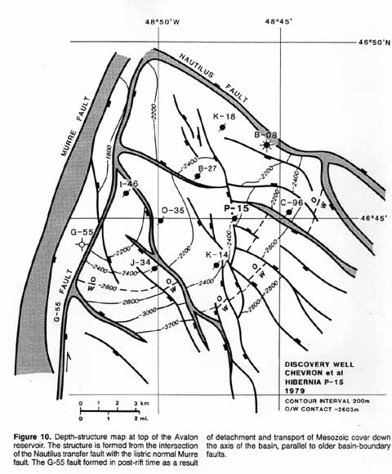
header: | name
 | date
 | operator
 | scale bar
 | coordinates/orientation
 | projection ( e.g. ED50, RD, ETRS, WSG84)
 | date (year)

general | depth contours
 | faults
 | GWC/OGC/OWC
 | wells

file type: | preferably GIS or Petrel file
 | or JPG, PGN, TIFF etc.
 | or geo-referenced file

 |  | Map example

