skin horizontal well
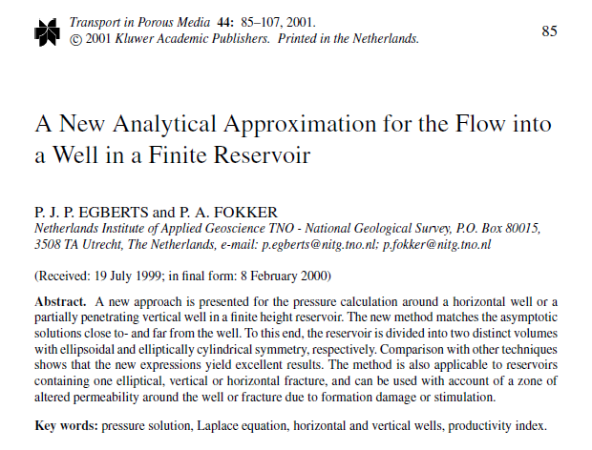
RESERVOIR AND WELL PARAMETERS
symbol | value | unit | description | value [SI] | unit [SI] | value to be entered
H | 30 | m | reservoir height |  |  | value calculated
R | 1600 | m | drainage radius |  |  | description
L | 500 | m | well length |  |  | unit
k_h | 480 | mD | horizontal permeability | 4.7372304E-13 | m²
kh/kv | 20.0 | - | anisotropy
k_v | 24 | mD | vertical permeability | 2.3686152E-14 | m²
r_w | 0.078 | m | well radius
mu | 0.00100 | Pa.s | water viscosity
i_ani | 4.47214 | - | anisotropy factor

productivity index fully penetrating vertical well [eq 12]
JV | 8.993E-009 | m³/s/Pa | productivity index vertical well

scaling [eq 9] H, R and L
k_s | 1.75E-013 |  | scaled permeability
s_h | 0.60696 |  | scaled horizontal permeability
s_v | 2.71442 |  | scaled vertical permeability
H_s | 81.43 |  | scaled reservoir height
R_s | 971.14 |  | scaled drainage radius
L_s | 303.48 |  | scaled well length

equivalent and scaled well bore radius
r_w_eq | 0.10092 |  | equivalent well bore radius
r_w_s | 0.12953 |  | scaled equivalent well bore radius
s_0 | 1.00000 |  | intermediate calculation results
S_1 | 1.03537
S_2D_0 | 1.01647
s_2D_1 | 6.4
F_0 | 7.55640
F_1 | 2.02622

productivity index horizontal well and skin
JH | 2.32E-08 | m³/s/Pa | productivity index horizontal well
s | -6.08 | - | skin

